Sheet1
PROJECT TITLE | Car Price Prediction
PROJECT MANAGER | MUHAMMAD ZULHISYAM NAQIB BIN MAHURIN
GROUP NAME | GROUP 7
COMPANY NAME | AI ENTERPRISE
DATE | 2020-12-30

Caculate Net Present Value (NPV)

 |  | 2020 | 2021 | 2022 | 2023 | 2024
 |  | Estimate | Plan | Plan | Plan | Plan
 |  | 0 | 1 | 2 | 3 | 4
Cash Flows |  | $(122,500) | $100,000 | $120,000 | $90,000 | $80,000 | $390,000
Discounted Rate (Risk) |  | 0.1 | 0.1 | 0.1 | 0.1 | 0.1
NPV (Manual) |  | 1 | $1 | $1 | $1 | $1
NPV (Formula) |  | $(122,500) | $90,909 | 99,173.55 | 67,618.33 | 54,641.08 | $312,342 | This means that the NPV is higher than estimate cost
The higher the NPV, the better
means the return from a project
exceeds the cost of capital

Net present value (NPV) | the difference between the present value of cash inflows and the present value of cash outflows over a period of time.
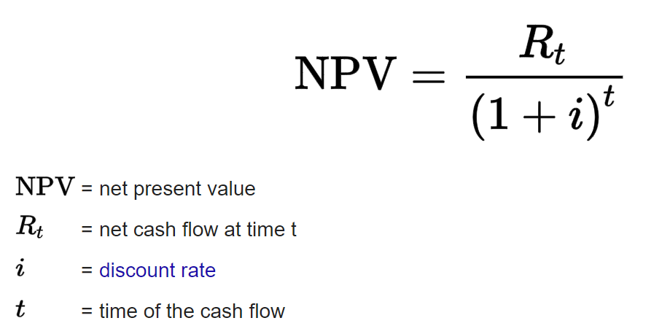
 |  |  |  | =

Payback Analysis | ohh | The cost estimation of RM 122500 is recovered by the end of Year 3, and there's an additional positive present value of RM 54641.08 by the end of Year 4. This suggests that the investment is relatively quick to pay back and may be considered favorable from a liquidity. The the cost estimationRM 122500 just is recovered by the end of Year 3, and there's an additional positive present value of RM 54641.08 by the end of Year 4. This suggests that the investment is relatively quick to pay back and may be considered favorable from a liquidity

return of investment | 80%

Internal Rate of Return | 74.33%
Net Present Value | RM172,583.68

